subsidy for gen- not usd
type | data | unit | source |  |  | Electricity subsidy（yuan/Mwh) | 2017
natural gas | 0 | yuan/kwh | https://www.xianjichina.com/news/details_93212.html |  |  | natural gas | 0
wind | 0.2 | yuan/kwh | http://news.bjx.com.cn/html/20190416/974996.shtml |  |  | wind | 200
solar-residential | 0.32 | yuan/kwh | http://guangfu.bjx.com.cn/news/20180918/928845.shtml |  |  | solar | 320
solar-commercial | 0.1 | yuan/kwh | http://guangfu.bjx.com.cn/news/20180918/928846.shtml
solar | 0.21 | yuan/kwh
municipal solid waste 1 | 0.008 | yuan/ton | http://news.bjx.com.cn/html/20151231/697146.shtml
municipal solid waste 2 | 0.064 | yuan/ton | http://news.bjx.com.cn/html/20151231/697147.shtml
municipal solid waste | 0.036 | yuan/ton |  |  |  | https://www.sohu.com/a/306834225_788193
municipal solid waste 电价 | 0.65 | yuan/kwh | http://news.bjx.com.cn/html/20190603/983959.shtml
 |  |  | http://www.nea.gov.cn/2014-09/29/c_133682178.htm
subsidy | 0.25 | yuan/kwh | https://wenku.baidu.com/view/bb454668b7360b4c2f3f642d.html
 |  |  | 0.008 | yuan/kwh
Electricity subsidy（$/Mwh) | 2017
natural gas | 0
wind | 29.076 |  | No more subsidy after 2021 |  | https://baijiahao.baidu.com/s?id=1634482543833385999&wfr=spider&for=pc
solar | 46.5216 |  |  |  |  |  |  | http://news.bjx.com.cn/html/20190416/974996.shtml

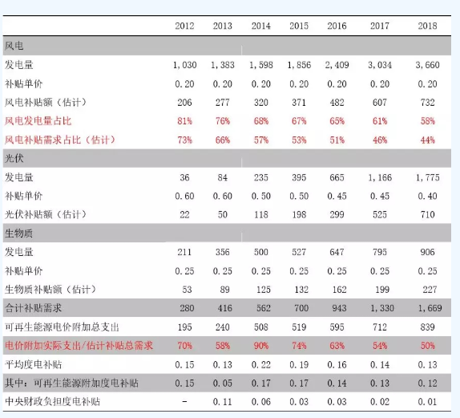
biomass/municial solid waste | 36.345 |  |  |  |  | 0.2 | yuan/kwh

